Generate voucher - Ledger
Ledger example
N/A to this action, can leave blank

File 1 - Bank Reconciliation match rule
Rule Id | Name | IsActive | MatchActionType | Search Matching Entry | Matching Type | Require Manual Matching
23483-L | ER import Ledger | No | Generate voucher | No

File 2 - Bank reconciliation match rule line (Step 1)
Rule Id | Compare Field String | Compare Field ID | Field ID | Line Num | Line Type | Operator | Source Table ID | Value | Offset Account Pattern
23483-L |  | 0 | 14 | 1 | Generate voucher | = | 20771 | 005

File 3 - Bank reconciliation match rule posting Info (Step 2)
Rule ID | Legal Entity | Bank Transaction Type | Transaction Text | Offset Account Type | Offset Company | Offset Ledger Dimension | Customer Account | Vendor Account | Automatic Customer Account Matching | Account date type | Method of payment | Sales Tax Group | Item Sales Tax Group | Prepayment Journal Voucher | Posting Profile | Post
23483-L | USMF | 005 |  | Ledger | USRT | 600155 |  |  | No | Booking date |  | 10Pct | ALL

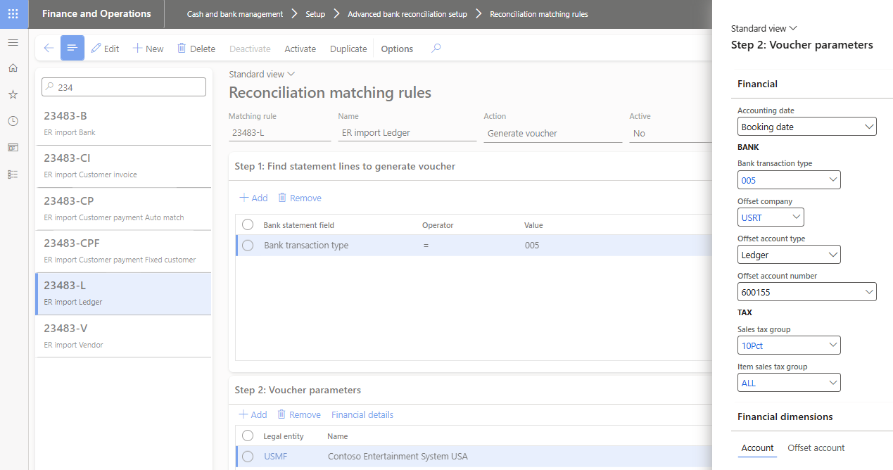

Generate voucher - Bank
Bank example
N/A to this action, can leave blank

File 1 - Bank Reconciliation match rule
Rule Id | Name | IsActive | MatchActionType | Search Matching Entry | Matching Type | Require Manual Matching
23483-B | ER import Bank | No | Generate voucher | No

File 2 - Bank reconciliation match rule line (Step 1)
Rule Id | Compare Field String | Compare Field ID | Field ID | Line Num | Line Type | Operator | Source Table ID | Value | Offset Account Pattern
23483-B |  | 0 | 14 | 1 | Generate voucher | = | 20771 | 005

File 3 - Bank reconciliation match rule posting Info (Step 2)
Rule ID | Legal Entity | Bank Transaction Type | Transaction Text | Offset Account Type | Offset Company | Offset Ledger Dimension | Customer Account | Vendor Account | Automatic Customer Account Matching | Account date type | Method of payment | Sales Tax Group | Item Sales Tax Group | Prepayment Journal Voucher | Posting Profile | Post
23483-B | USMF | 007 |  | Bank | USRT | USRT OPER |  |  | No | Booking date

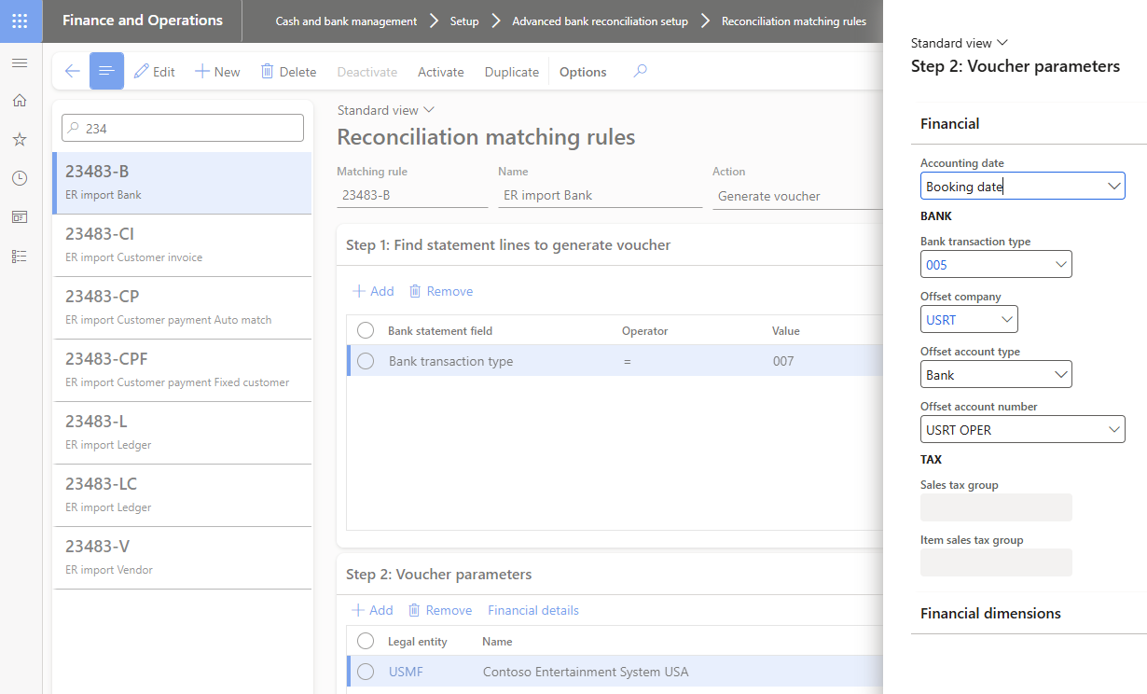

Generate vendor payment
Vendor example
N/A to this action, can leave blank

File 1 - Bank Reconciliation match rule
Rule Id | Name | IsActive | MatchActionType | Search Matching Entry | Matching Type | Require Manual Matching
23483-V | ER import Vendor payment | No | Generate vendor payment | No

File 2 - Bank reconciliation match rule line (Step 1)
Rule Id | Compare Field String | Compare Field ID | Field ID | Line Num | Line Type | Operator | Source Table ID | Value | Offset Account Pattern
23483-V |  | 0 | 14 | 1 | Generate vendor payment | = | 20771 | 000

File 3 - Bank reconciliation match rule posting Info (Step 2)
Rule ID | Legal Entity | Bank Transaction Type | Transaction Text | Offset Account Type | Offset Company | Offset Ledger Dimension | Customer Account | Vendor Account | Automatic Customer Account Matching | Account date type | Method of payment | Sales Tax Group | Item Sales Tax Group | Prepayment Journal Voucher | Posting Profile | Post
23483-V | USMF | 000 |  |  | USRT |  |  | 1001 | No | Booking date | ELECTRONIC |  |  |  | GEN

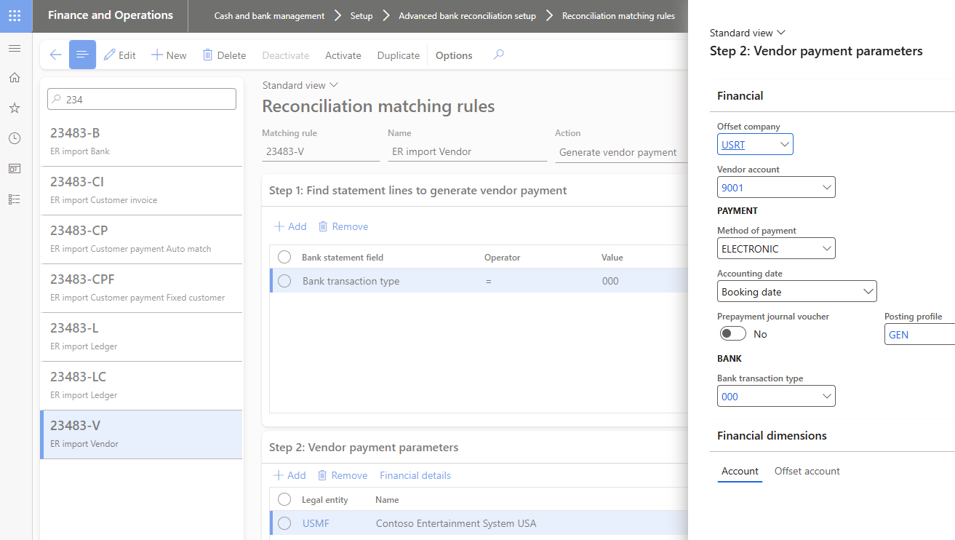

Generate customer payment
Customer example
N/A to this action, can leave blank

File 1 - Bank Reconciliation match rule
Rule Id | Name | IsActive | MatchActionType | Search Matching Entry | Matching Type | Require Manual Matching
23483-CP | ER import Customer payment Auto match | No | Generate customer payment | No
23483-CPF | ER import Customer payment Fixed customer | No | Generate customer payment | No

File 2 - Bank reconciliation match rule line (Step 1)
Rule Id | Compare Field String | Compare Field ID | Field ID | Line Num | Line Type | Operator | Source Table ID | Value | Offset Account Pattern
23483-CP |  | 0 | 14 | 1 | Generate customer payment | = | 20771 | 050
23483-CPF |  | 0 | 14 | 1 | Generate customer payment | = | 20771 | 050
File 2 - Bank reconciliation match rule line (Step 2)
Rule Id | Compare Field String | Compare Field ID | Field ID | Line Num | Line Type | Operator | Source Table ID | Value | Offset Account Pattern
23483-CP |  | 37 | 1 | 2 | Match open and closed customer invoice | = | 31005 |  | (\w+\s*-\s*\d+)

File 3 - Bank reconciliation match rule posting Info (Step 3)
Rule ID | Legal Entity | Bank Transaction Type | Transaction Text | Offset Account Type | Offset Company | Offset Ledger Dimension | Customer Account | Vendor Account | Automatic Customer Account Matching | Account date type | Method of payment | Sales Tax Group | Item Sales Tax Group | Prepayment Journal Voucher | Posting Profile | Post
23483-CP | USMF | 050 |  |  | USRT |  |  |  | Yes | Booking date | ELECTRONIC |  |  |  | GEN | Post and transfer
23483-CPF | USMF | 050 |  |  | USRT |  | 004003 |  | No | Booking date | ELECTRONIC |  |  |  | GEN | Post and transfer

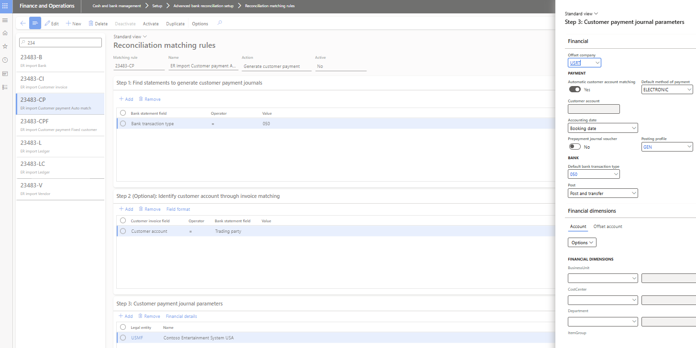

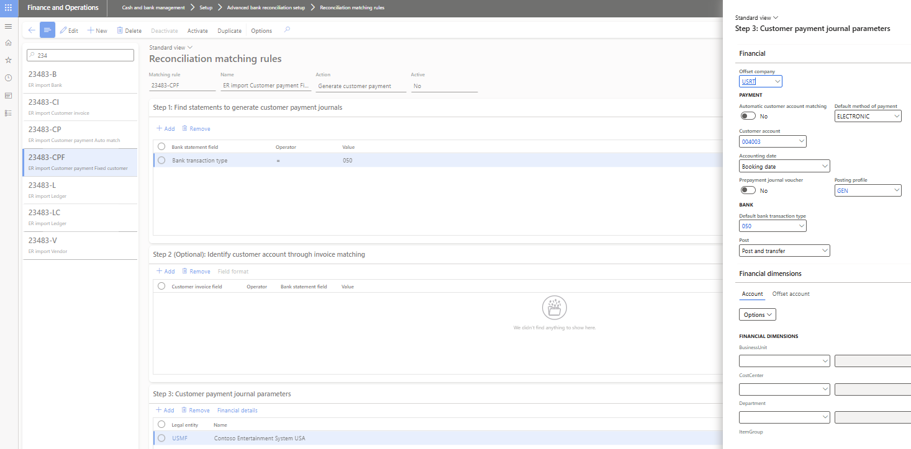

Settle customer invoice
Customer example
N/A to this action, can leave blank

File 1 - Bank Reconciliation match rule
Rule Id | Name | IsActive | MatchActionType | Search Matching Entry | Matching Type | Require Manual Matching
23483-CI | ER import Customer invoice | No | Settle customer invoice | No

File 2 - Bank reconciliation match rule line (Step 1)
Rule Id | Compare Field String | Compare Field ID | Field ID | Line Num | Line Type | Operator | Source Table ID | Value | Offset Account Pattern
23483-CI |  | 0 | 14 | 1 | Statement of settle action | = | 20771 | 050
File 2 - Bank reconciliation match rule line (Step 2)
Rule Id | Compare Field String | Compare Field ID | Field ID | Line Num | Line Type | Operator | Source Table ID | Value | Offset Account Pattern
23483-CI |  | 37 | 1 | 2 | Settle customer invoice | = | 31005 |  | (\w+\s*-\s*\d+)

File 3 - Bank reconciliation match rule posting Info (Step 3)
Rule ID | Legal Entity | Bank Transaction Type | Transaction Text | Offset Account Type | Offset Company | Offset Ledger Dimension | Customer Account | Vendor Account | Automatic Customer Account Matching | Account date type | Method of payment | Sales Tax Group | Item Sales Tax Group | Prepayment Journal Voucher | Posting Profile | Post
23483-CI | USMF | 050 |  |  | USRT |  |  |  | Yes | Booking date | ELECTRONIC |  |  |  | GEN

